Sheet1
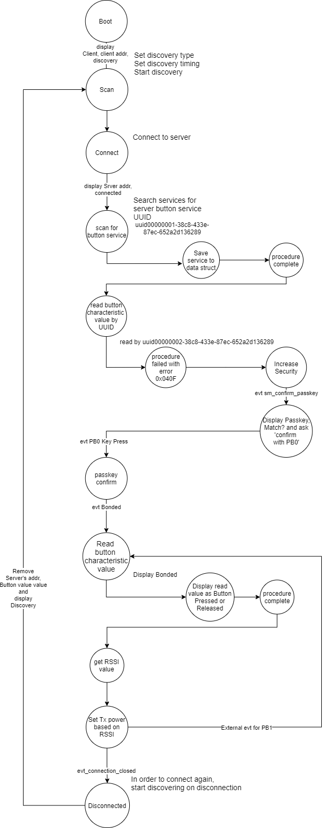
Client Command Table for A7
Client Application Design Spreadsheet
Use this table to help you design your program. Add rows as needed. | Use this column to describe when and what your LCD display changes to for rows like DISPLAY_ROW_CONNECTION Following rows are for respective rows of: DISPLAY_ROW_NAME DISPLAY_ROW_BTADDR DISPLAY_ROW_BTADDR2 DISPLAY_ROW_CONNECTION DIAPLSY_ROW_PASSKEY DISPLAY_ROW_ACTION |  | Use this column to denote if BT stack events cause your state machine to advance, you can put an X in the cell to note this. Drawing a bubble diagram of your state machine might also be a good idea. | Commands that may be useful: | Bubble Diagram -->>

BT Stack Event ID | LCD Display State |  | Advances State Machine | Commands called in response to event | Notes
gecko_evt_system_boot_id | Client | Already present |  | This event is generated on stack boot up | ble address to be displayed on LCD can be found by gecko_cmd_system_get_bt_address()
 | xx:xx:xx:xx:xx:xx:xx (client's addr) | displayed |  | gecko_cmd_le_gap_set_discovery_type() | Discovery types is set active/passive for given phy
 | xx:xx:xx:xx:xx:xx:xx (server's addr) | not displayed |  | gecko_cmd_system_set_tx_power() | default transmit power
 | Discovering | displayed |  | gecko_cmd_le_gap_set_discovery_timing() | defaults are set if not set explicitly using this call
 | xxxxxx | not displayed | X | gecko_cmd_le_gap_start_discovery() | will generate gecko_evt_le_gap_scan_response_id
 | Confirm with PB0 | not displayed |  | gecko_cmd_sm_configure(); | Configuring Security manager for DisplayYesNo
 |  |  |  | gecko_cmd_system_get_bt_address()

gecko_evt_le_gap_scan_response_id |  |  |  | This event is generated when an advertisement packet or a scan response is received from a slave | verify with reqd advertised packet
 |  |  |  | gecko_cmd_le_gap_end_procedure() | stops discovery
 | No Change | No Change | X | gecko_cmd_le_gap_connect() | connect to server device

gecko_evt_le_connection_opened_id | Client | Already present |  | This event is generated when a new connection is established
 | xx:xx:xx:xx:xx:xx:xx (client's addr) | Already present | X | gecko_cmd_gatt_discover_primary_services_by_uuid() | Discover for Service UUID 00000001-38c8-433e-87ec-652a2d136289. gecko_evt_gatt_service_id event occurrs
 | xx:xx:xx:xx:xx:xx:xx (server's addr) | displayed
 | Connected | Display changed
 | xxxxxx | not displayed
 | Confirm with PB0 | not displayed

gecko_evt_gatt_service_id |  |  |  | This event is generated from gecko_cmd_gatt_discover_primary_services_by_uuid()
 |  |  | Save service handle in | save response service handle in maintained data structure
 | No Change | No Change | global datastructure
 |  |  | X

gecko_evt_system_external_signal_id |  |  |  | This event is generated from gecko_cmd_gatt_discover_characteristics_by_uuid()

 | No Change | No Change |  | For PB0
 |  |  | X | gecko_cmd_sm_passkey_confirm() | For the first read will fail and bonding will start. PB0 is for confirming bonding
 |  |  |  | For PB1
 |  |  |  | gecko_cmd_gatt_read_characteristic_value_by_uuid() | After bonding state of PB0 is read

gecko_evt_gatt_characteristic_value_id | Client | Already present |  | Client | parse received data to readable temperature value and display it on LCD
 | xx:xx:xx:xx:xx:xx:xx (client's addr) | Already present |  | gecko_cmd_le_connection_get_rssi()
 | xx:xx:xx:xx:xx:xx:xx (server's addr) | Already present | X
 | Connected/Bonded | Already present
 | xxxxxx | not displayed
 | Button Released/Pressed | Displayed |  |  | display if bonded

gecko_evt_gatt_procedure_completed_id | Client | Already present |  | This event is generated for various procedure completions, e.g. when a write procedure is completed, or service discovery is completed. Each GATT command we issue results in 1 of these events. | reading characteristics value by uuid. For the first time read procedure completed fails with code 0x040F
 | xx:xx:xx:xx:xx:xx:xx (client's addr) | Already present |  | gecko_cmd_sm_increase_security() | If procedure completed failed, increase security
 | xx:xx:xx:xx:xx:xx:xx (server's addr) | Already present | X
 | Connected | Already present
 | xxxxxx | not displayed
 | Confirm with PB0 | not displayed

gecko_evt_sm_confirm_passkey_id | Client | Already present |  | Client | parse received data to readable temperature value and display it on LCD
 | xx:xx:xx:xx:xx:xx:xx (client's addr) | Already present |  |  | Displays passkey and asks for confirmation
 | xx:xx:xx:xx:xx:xx:xx (server's addr) | Already present | X
 | Connected | Already present
 | xxxxxx | Displayed
 | Confirm with PB0 | Displayed

gecko_evt_sm_bonded_id | Client | Already present |  | Client | parse received data to readable temperature value and display it on LCD
 | xx:xx:xx:xx:xx:xx:xx (client's addr) | Already present |  |  | aknowledgement for received indication
 | xx:xx:xx:xx:xx:xx:xx (server's addr) | Already present | X |  | to adjust tx_power based on rssi value
 | Bonded | Displayed
 | xxxxxx | removed
 | Confirm with PB0 | removed

gecko_evt_le_connection_rssi_id |  |  |  | This event is generated when RSSI value was measured
 |  |  | X | gecko_cmd_system_set_tx_power() | sets tx power based on rssi value
 | No Change | No Change

gecko_evt_hardware_soft_timer_id |  |  |  | This event is generated by the 1 second BT stack timer we started up & use this to perform the 1 second period toggling of the LCD display EXTCOMIN signal, for static charge build-up management
 |  |  | X | displayUpdate(); | This function toggles EXTCOMIN signal and refreshes LCD
 | No Change | No Change |  |  | display of discovery, connected, ble address would printed in respective events above

gecko_evt_le_connection_closed_id | Client | Already present |  | This event is generated when a connection is dropped
 | xx:xx:xx:xx:xx:xx:xx (client's addr) | Already present | X | gecko_cmd_le_gap_start_discovery() | again starts discovery for connectting to server
 | xx:xx:xx:xx:xx:xx:xx (server's addr) | removed (set to blank) |  | gecko_cmd_system_set_tx_power() | default transmit power
 | Discovering | Display changed
 | xxxxxx | removed if exists
 | Confirm with PB0 | removed if exists

